About
AVLRaPTC Annual Vehicle Licensing Registration and Property Tax Costs

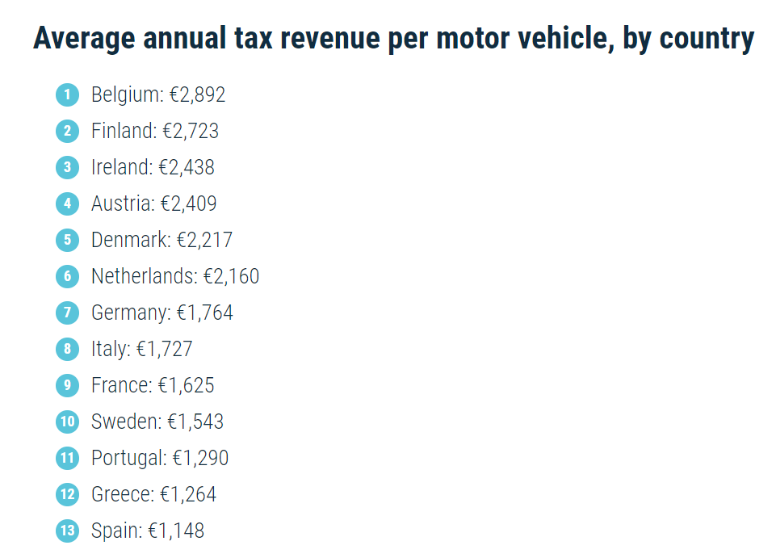
Sources: | Data
 | European Automobile Manufacturers’ Association (ACEA)
 | 2022 | Average annual tax revenue per motor vehicle, by country
 | Interactive map – Tax revenue per motor vehicle in major EU markets | Belgium | € 2,892
 | https://www.aaa.com/autorepair/articles/average-annual-cost-of-new-vehicle-ownership | Finland | € 2,723
 |  | Ireland | € 2,438
 | Tax revenue from fuel and lubricant taxes | Austria | € 2,409
 | European Automobile Manufacturers’ Association (ACEA) | Denmark | € 2,217
 | 2022 | Netherlands | € 2,160
 | ACEA Tax Guide 2022 | Germany | € 1,764
 | https://www.acea.auto/publication/acea-tax-guide-2022/ | Italy | € 1,727
 |  | France | € 1,625
Notes |  | Sweden | € 1,543
The AAA document cited above lists the average U.S.-wide annual cost of licensing, registration, and taxes as: |  | Portugal | € 1,290
$1,092 | 2022 USD/year | Greece | € 1,264
€ 1,036.04 | 2022 Euro/year | Spain | € 1,148
This number reflects an average annual cost across the countries with available data in the EU. |  | Average Total | € 1,938
Licensing, registration, and tax structures and amounts range by country, but this average should capture the variation and reflect the total revenue.
The average amount of fiscal income from fuel and lubricant taxes is excluded from this value because it is captured elsewhere in the EPS model.

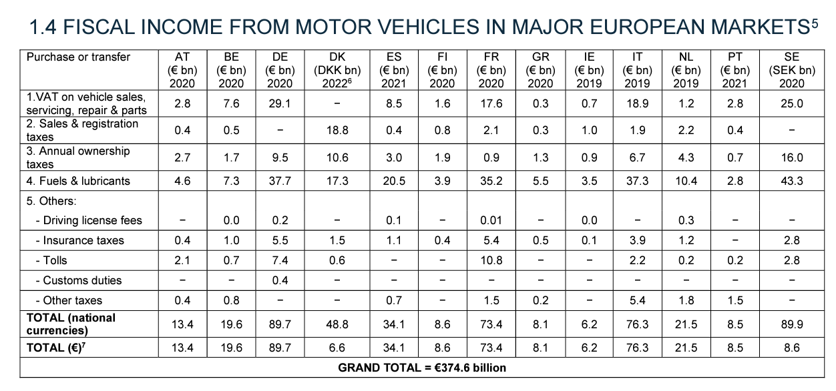
 |  |  | Fuel and Lubricant Taxes | Total | Percent of Total contributed by Fuels/Lubricants
 |  | AT | 4.6 | 13.4 | 34%
 |  | BE | 7.3 | 19.6 | 37%
 |  | DE | 37.7 | 89.7 | 42%
 |  | DK | 17.3 | 48.8 | 35%
We don't have data for vehicle types other than passenger LDVs, so we use the following assumptions: |  | ES | 20.5 | 34.1 | 60%
Value | Registration fee and property tax multiplier for: | FI | 3.9 | 8.6 | 45%
0.5 | motorbikes | FR | 35.2 | 73.4 | 48%
2 | HDVs | GR | 5.5 | 8.1 | 68%
1 | freight LDVs | IE | 3.5 | 6.2 | 56%
 |  | IT | 37.3 | 76.3 | 49%
Currency Conversion |  | NL | 10.4 | 21.5 | 48%
 |  | PT | 2.8 | 8.5 | 33%
0.786 | 2022 to 2012 USD | SE | 43.3 | 89.9 | 48%
 |  |  |  | Average Percentage of Total Fiscal Income from Vehicles from Fuel and Lubricant Taxes | 47%

1.054 | 2022 Euro to USD

